Cover Sheet
Last Revision: October 16, 2024 |  |  |  |  |  | Data Entry/Upload (date/initials): |  |  |  |  |  | Verified by (date/initials):

 |  | HABITAT AND BIOTA FIELD WORK COVER SHEET

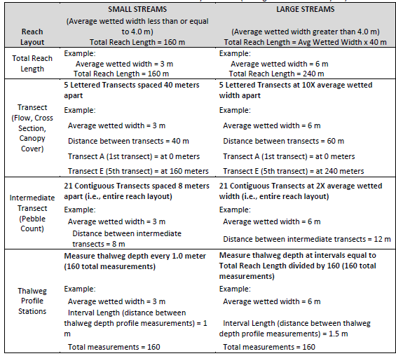
 |  |  |  | Station ID: |  |  |  |  |  |  | Ecoregion:
 |  |  |  | Station Name:
 |  |  |  |  | Date (MM/DD/YYYY):
 |  |  |  |  |  | GPS Coordinates (Transect A): |  | Lat/Long:
 |  |  |  |  |  | GPS Coordinates (Transect E): |  | Lat/Long:
 | Elevation A: |  |  | ft |  | Elevation E: |  |  | ft |  | Field Crew:

Scour Event
Recent evidence of:
____Depositional Features
____Incision
____Downcuts
____Folded Veg in Channel
____Folded Veg on Floodplain
____Wrack Lines
____Absence of Periphyton
____Absence of leaf litter
____Gage data, 3x height of
previous week
4 or more = recent scour = postpone field work if concurrent biological data collection
Average Wetted Width: |  |  |  |  | meters (m) | Total Reach Length: |  |  |  |  | (m)
 |  |  |  | (if other than date above - otherwise
 |  |  |  | check which data were collected)
 |  |  |  |  | Pebble Count (n=105)

 |  |  |  |  | Cross-Sectional Surveys (n=5, A-E)
 |  |  |  |  | Thalweg Profile (n=160)
 |  |  |  |  | Large Woody Debris Tally (n=4)
 |  |  |  |  | Slope (water surface)

 |  |  |  |  | Bankfull X-Section with Streamflow (n=1)
 |  |  |  |  | Percent Canopy Cover (n=30)

Periphyton
______ mL Sample Volume
______mL Filtered Volume
 |  |  |  |  | Biological Data/Sonde Deployment
 |  |  |  |  | Periphyton (Level 2 Nutrient Survey) |  |  |  |  |  | Riffle Periphyton |  |  | Reachwide Periphyton*
 |  |  |  |  | Chlorophyll-a
 |  |  |  |  | Benthic Macroinvertebrates
 |  |  |  |  | Sonde Deployment

 |  |  |  |  | Field Data Verification
 |  |  |  |  | All forms checked for completeness, units, obvious errors, or anomolies

TRANSECT - "X" for Periphyton - "O" for Benthics
A |  | A.5 |  | B |  | B.5 |  | C |  | C.5 |  | D |  | D.5 |  | E
Sub | Hab | Sub | Hab | Sub | Hab | Sub | Hab | Sub | Hab | Sub | Hab | Sub | Hab | Sub | Hab | Sub | Hab
F | P | F | P | F | P | F | P | F | P | F | P | F | P | F | P | F | P
G | Gl | G | Gl | G | Gl | G | Gl | G | Gl | G | Gl | G | Gl | G | Gl | G | Gl
C | Ri | C | Ri | C | Ri | C | Ri | C | Ri | C | Ri | C | Ri | C | Ri | C | Ri
O | Ra | O | Ra | O | Ra | O | Ra | O | Ra | O | Ra | O | Ra | O | Ra | O | Ra
Dominant Substrate (Sub) - Fine/sand (F), Gravel (G), Coarse (C), or Other (O)
Habitat Type (Hab) - Pool (P), Glide (Gl), Riffle (Ri), or Rapid (Ra)

COMMENTS: Note any evidence of recent scouring flows. Note if periphyton area sampled is other then 9 PVC delimiters. Explain if "Other" circled in Substrate-Habitat table (above). Other comments about the site.

Slope
 | Data Entry/Upload (date/initial): |  |  | Verified by (date/initial): _____________
Slope Field Form

 | Station ID: |  |  | Date
 | Observer: |  |  | Recorder:
 | Total Reach Length (m):
 | METHOD* (check one): □ Clinometer □ Water Tube □ Hand Level □ Ranger Finder:
 | * If you are using a method that produces an elevational difference as opposed to a % slope YOU WILL NEED TO CONVERT TO % SLOPE prior to uploading data to NMEDAS. |  |  |  |  | *** NOTE: Range Finders with Slope function only measure in DEGREES, will need to convert degrees to % when used.
 | Slope Units: (check one): □ Percent % □ Degrees □ Other |  |  |  |  | Conversion % Slope = Tan(Degrees) *100
 | Slope | Distance ( XXX m ) |  | Slope | Distance ( XXX m )
1 |  |  | 11
2 |  |  | 12
3 |  |  | 13
4 |  |  | 14
5 |  |  | 15
6 |  |  | 16
7 |  |  | 17
8 |  |  | 18
9 |  |  | 19
10 |  |  | 20

Measurements made with the laser level must be converted to % Slope
If using a Clinometer: Measure slope incrementally within the channel
NOTES and COMMENTS
Generally, any measurement >3.0 percent slope = waterfall or riffle-run. Both person reading the slope and the person holding the rod need to be standing at the wedge of water (or on mid channel rock AT the water surface).

X-Section Thalweg LWD
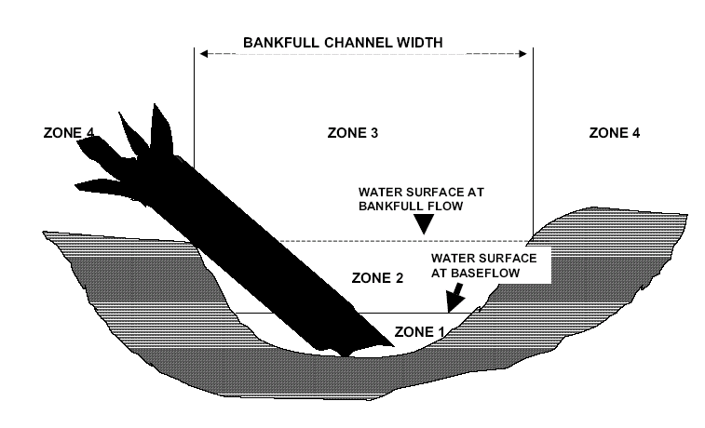
Cross Sectional Profiles, Thalweg Profile, and Large Woody Debris Form

 |  |  |  |  |  | Data Entry/Upload (date/initials):
 | Thalweg Depth (XXX cm) |  |  |  | NOTES: | Verified by (date/initials):
 | A-B | B-C | C-D | D-E |  | Station ID
1 |  |  |  |  | At flag | Date and Time |  |  |  |  |  | Recorder
2 |  |  |  |  |  | Average Wetted Width (m) |  |  |  |  |  | Observer |  |  |  | Thalweg
3 |  |  |  |  |  | Total Reach Length (m) |  |  |  |  |  | Observer |  |  |  | X-section
4 |  |  |  |  |  | Distance Between XSEC Transects (m) |  |  |  | #VALUE! |  | Observer |  |  |  | LWD
5 |  |  |  |  |  | Interval Length* (m) |  |  |  | #VALUE!
6 |  |  |  |  |  | NOTES: * Interval Length = distance between thalweg depth measurements = Total Reach Length / 160. See Cover Sheet examples.
7
8 |  |  |  |  | +PC |  | Cross Sectional (XSEC) Profiles
9 |  |  |  |  |  |  | A |  | B |  | C |  | D |  | E
10 |  |  |  |  |  |  | Tag Line | Depth of Water | Tag line | Depth of Water | Tag line | Depth of Water | Tag line | Depth of Water | Tag line | Depth of Water
11 |  |  |  |  |  |  |  |  |  |  |  |  |  |  |  |  | Cross Section Features
12 |  |  |  |  |  |  | xx.xx m | xxx cm | xx.xx m | xxx cm | xx.xx m | xxx cm | xx.xx m | xxx cm | xx.xx m | xxx cm | LEW = Left edge water
13 |  |  |  |  |  | LEW |  |  |  |  |  |  |  |  |  |  | LCtr = 25% of wetted width from left bank
14 |  |  |  |  |  | LCtr |  |  |  |  |  |  |  |  |  |  | Ctr = 50 % of wetted width from left bank
15 |  |  |  |  |  | Ctr |  |  |  |  |  |  |  |  |  |  | RCtr = 75% of wetted width from left bank
16 |  |  |  |  | +PC | RCtr |  |  |  |  |  |  |  |  |  |  | REW = Right edge of water
17 |  |  |  |  |  | REW |  |  |  |  |  |  |  |  |  |  | BKW = Bankfull width
18 |  |  |  |  |  | BKW(m) |  |  |  |  |  |  |  |  |  |  | BKH = Bankfull height
19 |  |  |  |  |  | BKH** (cm)
20 |  |  |  |  |  |  | NOTES: ** Although similarly shaped cross sectional profiles may have similar BKH, |  |  |  |  |  |  |  |  |  | Bankfull Indicators
21 |  |  |  |  |  |  | it may not be the same value at each profile. EX: > BKW results in < BKH because it's an area. |  |  |  |  |  |  |  |  |  | Topographic Breaks in Slope
22 |  |  |  |  |  |  | LARGE WOODY DEBRIS -- visual estimate of amount of large woody debris within or bridging the bankfull channel (Zones 1 - 3). Enter the # 1 in the appropriate estimate category for each stream segment. |  |  |  |  |  |  |  |  |  | Tops of point bars
23 |  |  |  |  | +PC |  |  |  |  |  |  |  |  |  |  |  | Change in vegatation
24 |  |  |  |  |  |  |  |  |  |  |  |  |  |  |  |  | Changes in size of bank materials
25 |  |  |  |  |  |  | Between transects ---> |  |  |  | A-B | B-C | C-D | D-E |  |  | Evidence of inundation feature such as small benches
26 |  |  |  |  |  |  | DENSE (>75%) |  |  |  |  |  |  |  |  |  | The presence of a floodplain
27 |  |  |  |  |  |  | ABUNDANT (51-75%) |  |  |  |  |  |  |  |  |  | Exposed root hairs below intact soil layer indicating exposure to erosive flow
28 |  |  |  |  |  |  | VERY COMMON (25-50%)
29 |  |  |  |  |  |  | COMMON (10-25%) |  |  |  |  |  |  |  |  |  | Bank undercuts
30 |  |  |  |  |  |  | RARE (<10%)
31 |  |  |  |  |  |  | ABSENT
32 |  |  |  |  | +PC |  | Large Woody Debris is defined as woody material with a small end diameter of at least 10 cm (4 in.) and a length of at least 1.5 m (5 ft).
33
34
35
36
37
38
39 |  |  |  |  |  |  |  |  |  | `
40 |  |  |  |  | At flag, +PC

NOTES: + PC = perform pebble count

Pebble Count
Pebble Count Field Form
 |  |  |  |  | Data Entry/Upload (date/initials): |  | Verified by (date/initials):
 |  |  |  |  |  | 55

 | StationID: |  |  | Date |  |  | Ecoregion
 |  |  |  | Observer |  |  | Recorder

 |  |  | Habitat Sampled (circle one): |  | EMAP reach-wide* |  | representative riffle

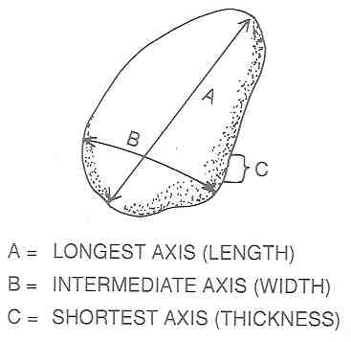
 |  | AVG Wetted Width (XX.X m): |  |  |  | Total Reach Length (m):
NOTES:
 |  |  | ≤2mm Non-Gritty: FINES
 |  |  | ≤2mm Gritty: SAND
 |  |  | Consolidated: BEDROCK
 |  |  | ----------only whole numbers >2----------millimeters----------
 |  |  | Transect | Left Edge (0%) | Left Center (25%) | Center (50%) | Right Center (75%) | Right Edge (100%)
 |  |  | A
 |  |  | 2
 |  |  | 3
Fine Sediment Thresholds based on Biological Responses |  |  | 4
Mountain Site Class | < 20% Sand & Fines | < 21 particles* | 5
Foothill Site Class | < 37% Sand & Fines | < 39 particles* | B
Xeric Site Class | < 74% Sand & Fines | < 78 particles* | 7
* Number of particles £ 2mm diameter based on a 105 particle count. |  |  | 8
 |  |  | 9
New Mexico Site Class Definitions |  |  | 10
Mountains | Ecoregions 21 and 23 (except 21d, 23a, 23b, 23e) |  | C
Foothills | Ecoregions 21d, 22a, 22b, 22f, 23a, 23b, 23e, and 79 |  | 12
Xeric | Ecoregions 20, 22, 24, 25, and 26 (except 22a, 22b, 22f) |  | 13
 |  |  | 14
* 5 measurements taken at 0, 25, 50, 75, and 100% of WETTED WIDTH at 21 transects |  |  | 15
 |  |  | D
 |  |  | 17
 |  |  | 18
 |  |  | 19
 |  |  | 20
 |  |  | E

 |  |  |  |  | TOTAL | 0 | %SAFN | 0.00

Shade
 |  |  | Data Entry/Upload (date/initials): |  |  | Verified by (date/initials):
Percent Canopy Cover Field Form

 | Station ID: |  |  | DATE:

 | Observer |  |  | Recorder

 | Transect -->> | A | B | C | D | E
 | LEW – Facing Left Bank
 | CenUp – center looking u/s
 | CenL – center looking at LEW
 | CenDwn – center looking d/s
 | CenR – center looking at REW
 | REW – Facing Right Bank
 | TRANSECT TOTAL

 | Average % Canopy Cover for reach
= SUM of all transect totals / total possible Intersection points =
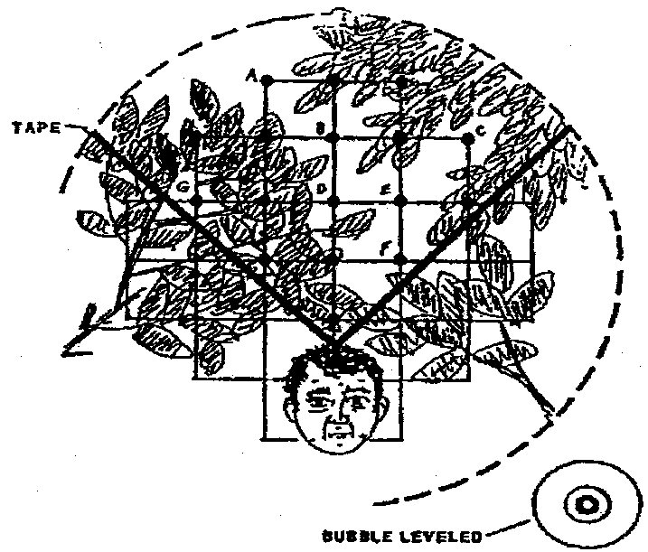
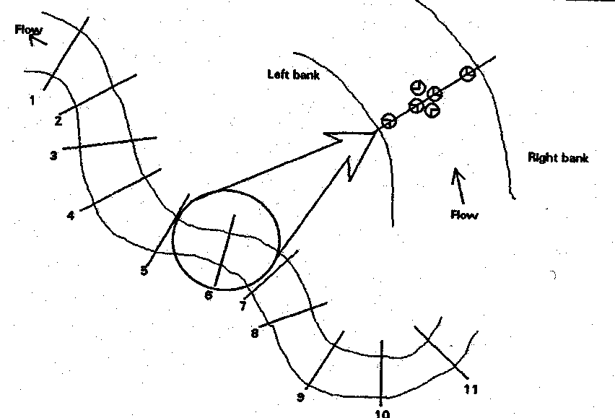

NOTES:

BF X-Sec and Flow
 |  |  |  |  | Data Entry/Upload (date/initials): |  |  | Verified by (date/initials):
Bankfull Cross Section with Stream Flow Field Form

 |  | Station ID: |  |  |  |  |  | DATE:

 |  | Transect: | □ A |  | □ B | □ C | □ D | □ E
 |  |  |  |  |  | Try to perform at Transect C if possible
 |  | Observer: |  |  |  |  |  | Recorder:
 | NOTES:

 |  | Method : |  |  |  |  | □ | Manning Equation method per SOP protocol
 |  | □ | Velocity meter per SOP protocol (>/= 20 windows) |  |  |  | □ | Rating curve method per SOP protocol
 |  | □ | Velocity meter (<20 windows) |  |  |  | □ | Other methods specified in the SOP
 |  | □ | No discernable flow |  |  |  | □ | Visual estimation (no measurement)
 |  | □ | Timed-fill method per SOP protocol |  |  |  | □ | USGS gage data
Left Edge of Water (LEW) and Right Edge of Water (REW) MUST be marked in "Notes" column! These values are used to calculate Wetted Width for reports.
**Leave "Notes" column blank if there is nothing to note.
*** Shaded grey area does not need info
 |  | □ | Surface floats method per SOP protocol |  |  |  | □ | Extrapolated
 |  | Notes1 | Tag Line ( ft ) | Depth - Tagline to Ground (ft) | Width ( ft ) | Depth of Water ( ft ) | Area ( ft2 ) | Velocity ( ft/s ) | Flow ( cfs ) | Ground to Tagline at Bankfull height (ft). Outside wetted width
 |  | LBNKFULL |  | 0

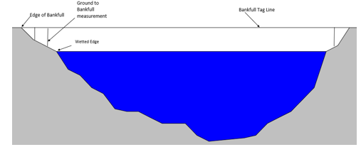
If using MF Pro to collect flow, all cells LEW to REW will be completed with MF Flow file in the office.
 | 1 | LEW
 | 2
 | 3
 | 4
 | 5
 | 6
 | 7
 | 8
 | 9
 | 10
 | 11
 | 12
 | 13
 | 14
 | 15
 | 16
 | 17
 | 18
 | 19
 | 20 | REW

 |  | RBNKFULL |  | 0
 |  | TOTALs / AV |  |  |  |  |  |  |  | Flow CFS

 |  |  |  |  | Bankfull width (ft) | 0.0 |  |  |  |  | <-- These are now formulas
 |  |  |  |  | Bankfull height2 (ft) | 0 |  | SQUID metadata

1. Left Edge of Water (LEW) and Right Edge of Water (REW) MUST be marked in "Notes" column! These values are used to calculate Wetted Width for reports. Leave "Notes" column blank if there is nothing to note.
2. Bankfull height measured from water surface at edge of water up to bankfull tagline. LBNKFULL = Left Bankfull, LEW = Left Edge of Water, THAL = Thalweg, REW = Right Edge of Water, RBNKFULL = Right Bankfull

Slope UL
Row | Slope | Distance | Adjusted Slope= Degrees to %
1
2
Copy and Paste headers and only rows with data for csv. file
3
4
5
6
7
8
9
10
11
12
13
14
15
16
17
18
19
20

BF FLow UL
Measurement # | Notes | Tag Line Distance ( ft ) | Width ( ft ) | Depth ( ft ) | Area ( ft2 ) | Velocity ( ft/s ) | Flow ( cfs ) | Bankfull Height | Bankfull width | Total Flow
A | LBNKFULL | 0.00 | 0.00 | 0.00 | 0.00 | 0.00 | 0.00 | 0 | 0 |  | [just a single value for these for each sample event]
B | RBNKFULL | 0.00 | 0.00 | 0.00 | 0.00 | 0.00 | 0.00
1 | LEW | 0.00 |  | 0.00 |  | 0.00
2 | none | 0.00 |  | 0.00 |  | 0.00
Copy and Paste headers and only rows with data for csv. file
3 | none | 0.00 |  | 0.00 |  | 0.00
4 | none | 0.00 |  | 0.00 |  | 0.00
5 | none | 0.00 |  | 0.00 |  | 0.00
6 | none | 0.00 |  | 0.00 |  | 0.00
7 | none | 0.00 |  | 0.00 |  | 0.00
8 | none | 0.00 |  | 0.00 |  | 0.00
9 | none | 0.00 |  | 0.00 |  | 0.00
10 | none | 0.00 |  | 0.00 |  | 0.00
11 | none | 0.00 |  | 0.00 |  | 0.00
12 | none | 0.00 |  | 0.00 |  | 0.00
13 | none | 0.00 |  | 0.00 |  | 0.00
14 | none | 0.00 |  | 0.00 |  | 0.00
15 | none | 0.00 |  | 0.00 |  | 0.00
16 | none | 0.00 |  | 0.00 |  | 0.00
17 | none | 0.00 |  | 0.00 |  | 0.00 |  | [note for a give SE not all rows will be used … ]
18 | none | 0.00 |  | 0.00 |  | 0.00
19 | none | 0.00 |  | 0.00 |  | 0.00
20 | REW | 0.00 |  | 0.00 |  | 0.00
21 | none | 0.00 |  | 0.00 |  | 0.00
22 | none | 0.00 |  | 0.00 |  | 0.00
23 | none | 0.00 |  | 0.00 |  | 0.00
24 | none | 0.00 |  | 0.00 |  | 0.00
25 | none | 0.00 |  | 0.00 |  | 0.00
26 | none | 0.00 |  | 0.00 |  | 0.00
27 | none | 0.00 |  | 0.00 |  | 0.00
28 | none | 0.00 |  | 0.00 |  | 0.00
29 | none | 0.00 |  | 0.00 |  | 0.00
30 | none | 0.00 |  | 0.00 |  | 0.00

Shade UL
Transect | LEW – Facing Left Bank | CenUp – center looking u/s | CenL – center looking at LEW | CenDwn – center looking d/s | CenR – center looking at REW | REW – Facing Right Bank | %Shade
A | 0 | 0 | 0 | 0 | 0 | 0 |  | [just a single value for each sample event; can also be easily calculated]
B | 0 | 0 | 0 | 0 | 0 | 0
C | 0 | 0 | 0 | 0 | 0 | 0
D | 0 | 0 | 0 | 0 | 0 | 0
E | 0 | 0 | 0 | 0 | 0 | 0

Copy and Paste headers and only rows with data for csv. file

